HHS Mapping to LIVD
HHS Data element | LOINC Mapping locations | LIVD element | LIVD Column # | Description | Notes | HL7 field | Reference
Test Ordered - LOINC code information for OBR-4.1 located in column H and LOINC Order Code Long Name for OBR 4.2 located in column I | 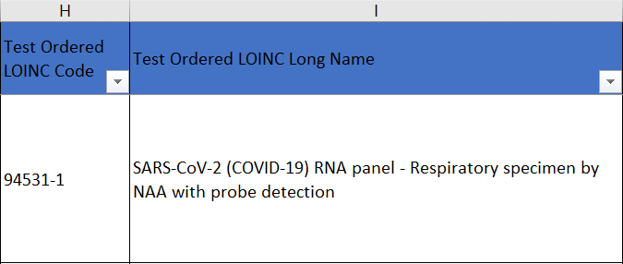 | Test Ordered LOINC Code | H | LOINC code that identifies the Test Ordered by provider | The Test Ordered LOINC Order should identify the test that is being requested, not the in-vitro diagnostic (IVD) device used to process the test. LOINC panel codes are used when there are multiple targets and the results for each target could potentially be reported indivdually For tests with a single target (analyte) the Test Order code is most likely the same as the Test Performed code | OBR-4.1 | Regenstrief/LOINC provides information to help select LOINC codes: List of SARS-CoV-2 LOINC Codes - https://loinc.org/sars-coronavirus-2/ Basic information - https://loinc.org/get-started/loinc-term-basics/ Search function - https://search.loinc.org/searchLOINC/
 |  | Test Ordered LOINC Long Name | I | LOINC name corresponding to code in column H |  | OBR-4.2
Test Result - LOINC code information for OBX-3.1 located in column F and LOINC Long Name for OBR-3.2 located in column G | 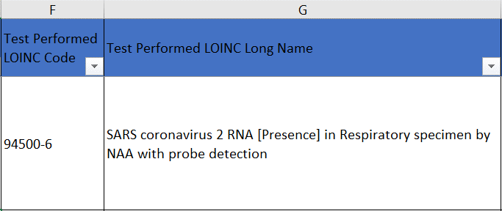 | Test Performed LOINC Code | F | LOINC code that identifies the Test Performed by the laboratory | The Test Performed LOINC Code should identify the test that is being performed, not the in-vitro diagnostic (IVD) device used to process the test. | OBX-3.1
 |  | Test Performed LOINC Long Name | G | LOINC name corresponding to code in column G |  | OBX-3.2
Test Value - Result term information for OBX-5 is located in Column E | 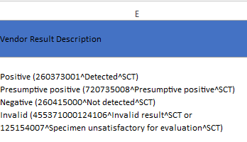 | Vendor result description | E | Result value reported for the test by the laboratory. The CDC LIVD file provides information on how to map the results in the "Vendor Result Description" column of the "LOINC Mapping" tab (https://www.cdc.gov/csels/dls/sars-cov-2-livd-codes.html). Must have either this or Test_result_description or Test_result_free_text (can have all three) or Test_result_number valued HHS Element: Test result | Qualitative tests: Must use harmonized SNOMED-CT value set codes - they are represented in the LIVD field in parenthesis mapped to the verbiage used in the package insert. OBX-5 datatype will be CWE. Quantitative tests: Must be reported in UCUM units (NOT included in this LIVD file), when available. OBX-5 datatype will be NM or SN. | OBX-5 | https://confluence.ihtsdotools.org/display/DOCCV19/2.4+Tests+and+Investigations#id-2.4TestsandInvestigations-Results
Specimen source - Specimen type for SPM-4 (HHS calls source) is located in Column D | 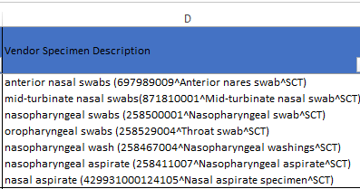 | Vendor specimen description | D | Specimen this test was performed on, usually identified by the provider | Many test may be performed on multiple specimen types. Report only the specimen type that was actually tested, not all possible specimen types for the test performed. Use harmonized SNOMED-CT value set codes - they are represented in the LIVD field in parenthesis mapped to the verbiage used in the package insert. | SPM-4 | https://confluence.ihtsdotools.org/display/DOCCV19/2.4+Tests+and+Investigations#id-2.4TestsandInvestigations-Specimen
Device Identifier - Device Identifier for the test kit for OBX-17.1 this will be based on the EUA letter from the FDA webpage or a device ID provided by the manufacturer in columns M and N. Device Identifier for the testing platform for OBX-17 this will be based on the model name and manufacturer or a device ID provided by the manufacturer in columns O and P. | 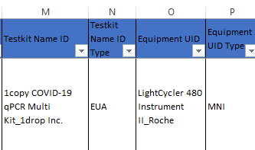 |  | M-P | Per HHS guidance it is needed to understand what testing is being performed: A unique alphanumeric string identifying the test kit used to perform the test, which can be accomplished by concatenating the model name with the manufacturer name. This should be used when no EUA identifier is available, or when there is a desire to explicitly list the test kit (maybe because it was used with a different instrument than described in the EUA, or when no EUA exists, because it is not related to an emergency situation). Create this identifier by concatenating using '_' as follows: <test kit name used in package insert (or "Model" in LIVD file)>_<"Manufacturer" in LIVD file>_MNT Unless this is for a manual kit, there is an expectation, that the instrument used wll also be identified, either by model name, device identifier or UDI. The Device Identifier (DI) may be a Test Kit Name Identifier or the Equipment (IVD) Identifier or a combination of the two. |  |  | Basic guidance around how to create a device idneitifer, when none is provided in the LIVD file can be found here: https://confluence.hl7.org/display/OO/Proposed+HHS+ELR+Submission+Guidance+using+HL7+v2+Messages#ProposedHHSELRSubmissionGuidanceusingHL7v2Messages-DeviceIdentification
Device Identifier location is in Column M | 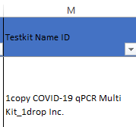 | Testkit Name ID | M | Test performed for COVID-19 testing, including laboratory developed test will be identified by the Test Kit Name Identifier, which is a combination of the <test kit name>_<manufacturer>. | For consistency in reporting, use the test kit name and manufacturer as it is listed on the FDA EUA Website or the Instructions For Use (IFU) and include all spaces and special characters (except (TM) or (R)), when reporting the EUA identifier type, which is what this LIVD file will strive to provide. To accommodate systems' limitation with the length of OBX-17.1 follow the general HL7 truncation behavior (use of max characters and replace the last allowed character with '#' to indicate truncation. The full device ID can be sent in an NTE segment. | OBX-17
Device Identifier (type) location is in Column N | 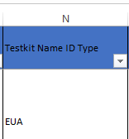 | Testkit Name ID Type | N | Emergency Use Authorization (EUA) Manufacturer Name (MNT) Device Identifier (DIT) Manual Test Kit (MNM) | This field will indicate which type of identifier is in column M - it can be one of the four listed | OBX-17
Device Identifier is located in Column O | 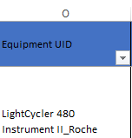 | Equipment UID | O | If the test may be performed on more than one testing platform or if your laboratory has validated the test on a different platform than the one(s) listed in the IFU, you would additionally need to send the equipment/device identification. | Look-up in Access GUDID (https://accessgudid.nlm.nih.gov/help/search/basic-search ) If the DI is not listed in GUDID, the Equipment DI may be populated with the MNI. | OBX-17
Device Identifier (type) is located in Column P | 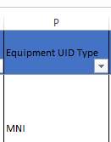 | Equipment UID Type | P | Manufacturer Name (MNI) Device Identifier (DII) | This field will indicate which type of identifier is in column O - it can be one of the two listed | OBX-17
Manufacturer is located in Column A | 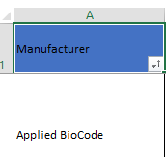 | Manufacturer | A | The name of the Instrument manufacturer or Testkit manufacturer | If Testkit Name ID (column M) and Testkit ID Type (Column N) are NOT populated for the test in question, use the information in this column to populate the second part of the device Identifier code: <Model>_<Manufacturer>_MNT | OBX-17
Test Kit - is in located in Column B | 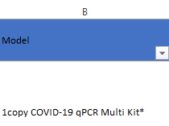 | Model | B | The name of the Testkit | If Testkit Name ID (column M) and Testkit ID Type (Column N) are NOT populated for the test in question, use the information in this column to populate the second part of the device Identifier code: <Model>_<Manufacturer>_MNT | OBX-17

